OFFER
PRADA WOMAN SHOES

PHOTOS | PHOTOS | MODEL | MAT | COL | HIGHT | SIZES | Q.TY | ORDER | AVERAGE BOUTIQUE
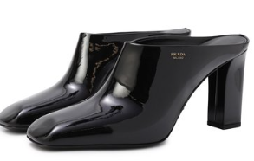 | 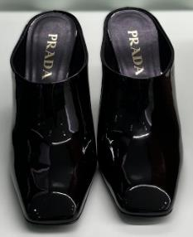 | 1I839N | O69 | F0002 | F-085 | 36 | 1 |  | 980.00 €
 |  | 1I839N | O69 | F0002 | F-085 | 36.5 | 2 |  | 980.00 €
 |  | 1I839N | O69 | F0002 | F-085 | 36.5 | 2 |  | 980.00 €
 |  | 1I839N | O69 | F0002 | F-085 | 39 | 1 |  | 980.00 €
 |  | 1I839N | O69 | F0002 | F-085 | 39.5 | 1 |  | 980.00 €
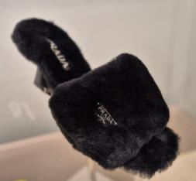 | 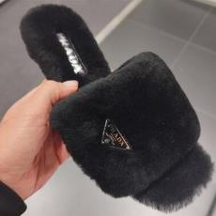 | 1XX654 | 173 | F0002 | F-DD65 | 36 | 1 |  | 1,060.00 €
 |  | 1XX654 | 173 | F0002 | F-DD65 | 36.5 | 1 |  | 1,060.00 €
 |  | 1XX654 | 173 | F0002 | F-DD65 | 38.5 | 1 |  | 1,060.00 €
 |  | 1XX654 | 173 | F0002 | F-DD65 | 39 | 1 |  | 1,060.00 €
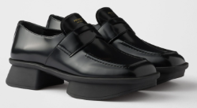 | 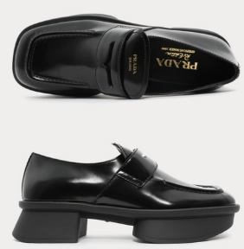 | 1D985N | O55 | F0002 | F-D040 | 36.5 | 1 |  | 1,100.00 €
 |  | 1D985N | O55 | F0002 | F-D040 | 37.5 | 2 |  | 1,100.00 €
 |  | 1D985N | O55 | F0002 | F-D040 | 38 | 1 |  | 1,100.00 €
 |  | 1D985N | O55 | F0002 | F-D040 | 38.5 | 1 |  | 1,100.00 €
 |  | 1D985N | O55 | F0002 | F-D040 | 39 | 1 |  | 1,100.00 €
 |  | 1D985N | O55 | F0002 | F-D040 | 39.5 | 1 |  | 1,100.00 €
 |  | 1D985N | O55 | F0002 | F-D040 | 41 | 1 |  | 1,100.00 €
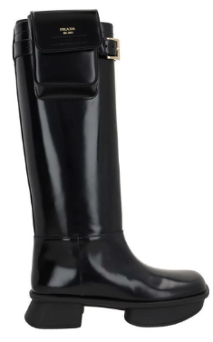 | 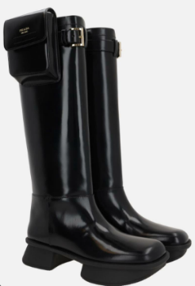 | 1W983N | O55 | F0002 | F-D040 | 35.5 | 1 |  | 2,000.00 €
 |  | 1W983N | O55 | F0002 | F-D040 | 36 | 1 |  | 2,000.00 €
 |  | 1W983N | O55 | F0002 | F-D040 | 36.5 | 1 |  | 2,000.00 €
 |  | 1W983N | O55 | F0002 | F-D040 | 37.5 | 1 |  | 2,000.00 €
 |  | 1W983N | O55 | F0002 | F-D040 | 38 | 1 |  | 2,000.00 €
 |  | 1W983N | O55 | F0002 | F-D040 | 38.5 | 1 |  | 2,000.00 €
 |  | 1W983N | O55 | F0002 | F-D040 | 39 | 2 |  | 2,000.00 €
 |  | 1W983N | O55 | F0002 | F-D040 | 39.5 | 1 |  | 2,000.00 €
 |  | 1W983N | O55 | F0002 | F-D040 | 40 | 1 |  | 2,000.00 €
 |  | 1W983N | O55 | F0002 | F-D040 | 40.5 | 1 |  | 2,000.00 €
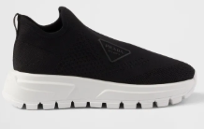 | 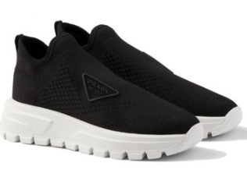 | 1S618N | 3KK5 | F0632 | F-045 | 36 | 1 |  | 880.00 €
 |  | 1S618N | 3KK5 | F0632 | F-045 | 36.5 | 1 |  | 880.00 €
 |  | 1S618N | 3KK5 | F0632 | F-045 | 37 | 1 |  | 880.00 €
 |  | 1S618N | 3KK5 | F0632 | F-045 | 37.5 | 1 |  | 880.00 €
 |  | 1S618N | 3KK5 | F0632 | F-045 | 38 | 1 |  | 880.00 €
 |  | 1S618N | 3KK5 | F0632 | F-045 | 39 | 1 |  | 880.00 €
 |  | 1S618N | 3KK5 | F0632 | F-045 | 40 | 1 |  | 880.00 €
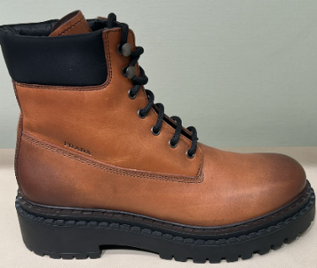 | 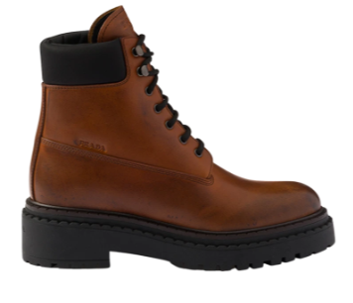 | 1T704N | 3LPP | F0046 | F-G055 | 36 | 1 |  | 1,300.00 €
 |  | 1T704N | 3LPP | F0046 | F-G055 | 36.5 | 2 |  | 1,300.00 €
 |  | 1T704N | 3LPP | F0046 | F-G055 | 37 | 1 |  | 1,300.00 €
 |  | 1T704N | 3LPP | F0046 | F-G055 | 37.5 | 1 |  | 1,300.00 €
 |  | 1T704N | 3LPP | F0046 | F-G055 | 38 | 1 |  | 1,300.00 €
 |  | 1T704N | 3LPP | F0046 | F-G055 | 39 | 2 |  | 1,300.00 €
 |  | 1T704N | 3LPP | F0046 | F-G055 | 39.5 | 1 |  | 1,300.00 €
 |  | 1T704N | 3LPP | F0046 | F-G055 | 40.5 | 1 |  | 1,300.00 €
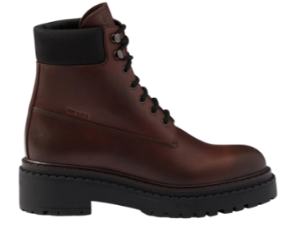 | 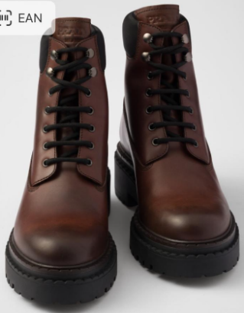 | 1T704N | 3LPP | F0192 | G-G055 | 36 | 1 |  | 1,300.00 €
 |  | 1T704N | 3LPP | F0192 | G-G055 | 36.5 | 1 |  | 1,300.00 €
 |  | 1T704N | 3LPP | F0192 | G-G055 | 38 | 2 |  | 1,300.00 €
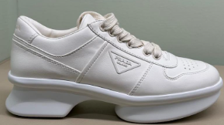 | 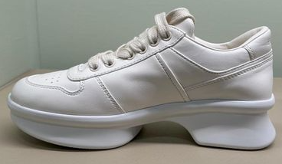 | 1E944N | O38 | F0304 | F-050 | 35 | 1 |  | 960.00 €
 |  | 1E944N | O38 | F0304 | F-050 | 35.5 | 1 |  | 960.00 €
 |  | 1E944N | O38 | F0304 | F-050 | 36.5 | 1 |  | 960.00 €
 |  | 1E944N | O38 | F0304 | F-050 | 37 | 1 |  | 960.00 €
 |  | 1E944N | O38 | F0304 | F-050 | 37.5 | 1 |  | 960.00 €
 |  | 1E944N | O38 | F0304 | F-050 | 38 | 1 |  | 960.00 €
 |  | 1E944N | O38 | F0304 | F-050 | 38.5 | 1 |  | 960.00 €
 |  | 1E944N | O38 | F0304 | F-050 | 39 | 1 |  | 960.00 €
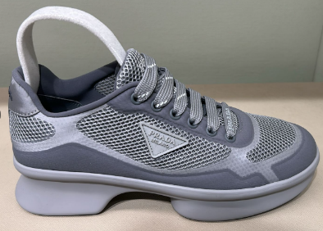 |  | 1E937N | YZU | F0031 | F-050 | 36 | 2 |  | 960.00 €
 |  | 1E937N | YZU | F0031 | F-050 | 36.5 | 1 |  | 960.00 €
 |  | 1E937N | YZU | F0031 | F-050 | 37 | 1 |  | 960.00 €
 |  | 1E937N | YZU | F0031 | F-050 | 38 | 1 |  | 960.00 €
 |  | 1E937N | YZU | F0031 | F-050 | 39.5 | 1 |  | 960.00 €
 |  | 1E937N | YZU | F0031 | F-050 | 40 | 1 |  | 960.00 €
 |  | 1E937N | YZU | F0031 | F-050 | 40.5 | 1 |  | 960.00 €
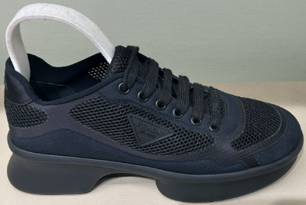 | 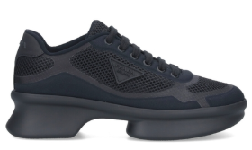 | 1E937N | YZU | F0002 | F-050 | 36 | 1 |  | 960.00 €
 |  | 1E937N | YZU | F0002 | F-050 | 36.5 | 1 |  | 960.00 €
 |  | 1E937N | YZU | F0002 | F-050 | 37 | 1 |  | 960.00 €
 |  | 1E937N | YZU | F0002 | F-050 | 37.5 | 1 |  | 960.00 €
 |  | 1E937N | YZU | F0002 | F-050 | 38 | 2 |  | 960.00 €
 |  | 1E937N | YZU | F0002 | F-050 | 38.5 | 1 |  | 960.00 €
 |  | 1E937N | YZU | F0002 | F-050 | 39 | 1 |  | 960.00 €
 |  | 1E937N | YZU | F0002 | F-050 | 39.5 | 1 |  | 960.00 €
 |  | 1E937N | YZU | F0002 | F-050 | 40 | 1 |  | 960.00 €
 |  | 1E937N | YZU | F0002 | F-050 | 41 | 1 |  | 960.00 €
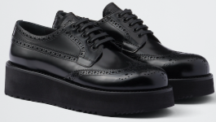 | 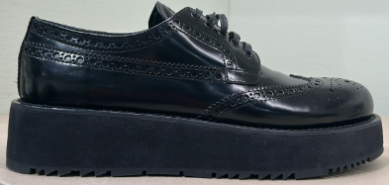 | 1E511N | O55 | F0002 | F-045 | 36 | 1 |  | 1,000.00 €
 |  | 1E511N | O55 | F0002 | F-045 | 36.5 | 1 |  | 1,000.00 €
 |  | 1E511N | O55 | F0002 | F-045 | 37 | 2 |  | 1,000.00 €
 |  | 1E511N | O55 | F0002 | F-045 | 37.5 | 1 |  | 1,000.00 €
 |  | 1E511N | O55 | F0002 | F-045 | 40 | 1 |  | 1,000.00 €
 |  | 1E511N | O55 | F0002 | F-045 | 40.5 | 1 |  | 1,000.00 €
 |  |  |  |  |  |  | 85 | 0

